Energy_item
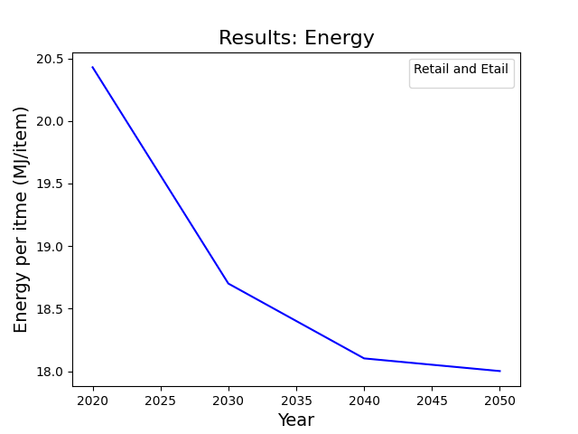
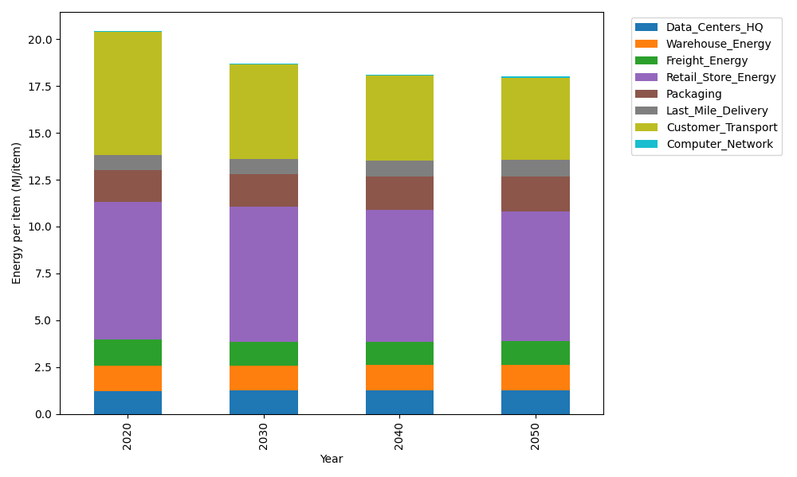
Years | Data_Centers_HQ | Warehouse_Energy | Freight_Energy | Retail_Store_Energy | Packaging | Last_Mile_Delivery | Customer_Transport | Computer_Network | Total
2020 | 1.2374396817 | 1.3412145764 | 1.4113843594 | 7.3086165729 | 1.6922713695 | 0.8155234777 | 6.5796397768 | 0.042935527984 | 20.429025342
2030 | 1.23979448 | 1.3565287325 | 1.2685507179 | 7.1794896956 | 1.748004813 | 0.8062150359 | 5.0542770244 | 0.047946567122 | 18.700807066
2040 | 1.2421784224 | 1.3720324232 | 1.2172688349 | 7.048764688 | 1.8044280377 | 0.83928970409 | 4.5258185294 | 0.053019625056 | 18.102800265
2050 | 1.2445331739 | 1.3873462742 | 1.2410962195 | 6.9196403831 | 1.8601603708 | 0.90853901689 | 4.3821950905 | 0.058030564364 | 18.001541093

CO2_item
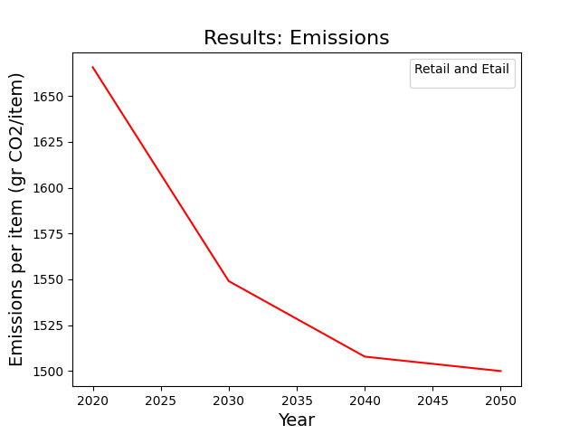
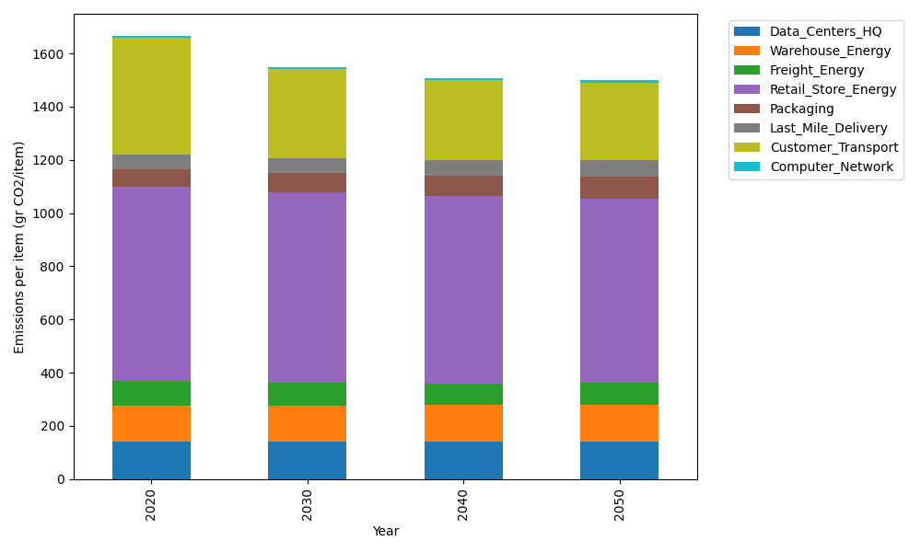
Years | Data_Centers_HQ | Warehouse_Energy | Freight_Energy | Retail_Store_Energy | Packaging | Last_Mile_Delivery | Customer_Transport | Computer_Network | Total
2020 | 140.15047432 | 133.89198991 | 96.123867895 | 728.85369722 | 65.582252589 | 55.980082436 | 437.83729556 | 7.2422277052 | 1665.6618876
2030 | 140.46117334 | 135.42755166 | 86.230856776 | 715.97648564 | 71.136691962 | 55.341121874 | 336.33315173 | 8.0874737795 | 1548.9945068
2040 | 140.7757177 | 136.98211819 | 82.621149872 | 702.9399001 | 76.759875489 | 57.611470555 | 301.16726938 | 8.9431809862 | 1507.8006823
2050 | 141.08641053 | 138.51764934 | 84.168274658 | 690.06294506 | 82.314204206 | 62.364959995 | 291.60995315 | 9.7884102215 | 1499.9128072

